Reference
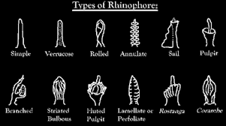
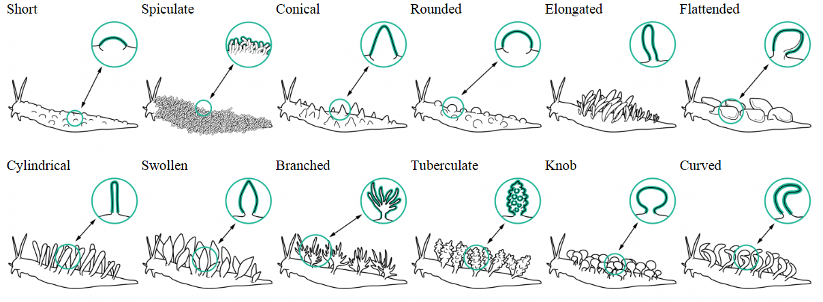
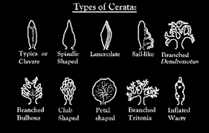
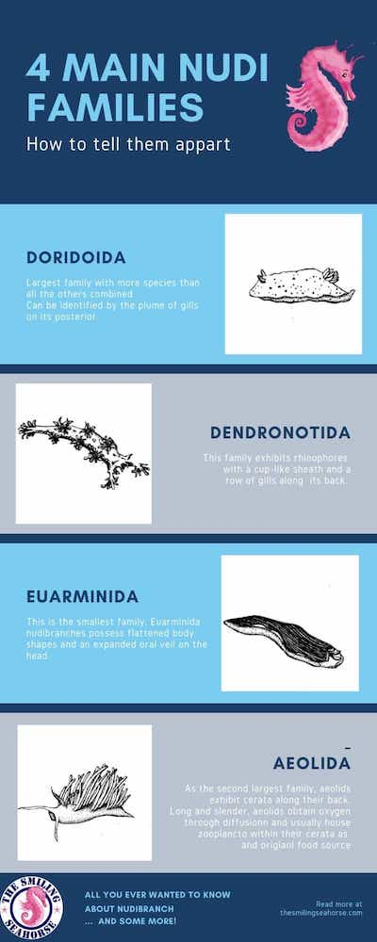
Rhinophore shapes |  | Dorsal textures |  | Body shape | description | Family groups | Descriptiosn
Not visible |  | Smooth |  | Doriid | Disc-shaped body with well-defined mantel. 2 rhinophores, no cephalic tentacles, very short or no oral tentacles, plume of gills posterior and medially on the notum | Doridoida | Largest family with more species than others combined. Can be identified by the plume of gills on its posterior
Simple | a solid cylindrical shape with smooth texture and round tip | Longitudinal ridges | Ridges running from the front to the back | Snail | an external shell with a snail-like foot and head | Dendronotida | This family exhibits rhinophores with cup-like sheath and a row of gills along its back
Verrucose | covered with warty elevations | Pitted | small pits | Aeoliid | long slender eel-like body with rhinophores, but no (very small pustulate) cerata or visible gills, sometimes with parapodia | EUARMINIDA | This is the smallest family. Euarminida nudibranhs possess flattened body shapes and an expanded oral vail on the head
Rolled | a hollow cylindrical shape formed by rolling the sides over oneanother | Reticulated ridges | Ridges forming a net-like pattern | Aglajiid | long slender eel-like, no rhinophores, visible gills with parapodia | Aeolida | As the second largest family, Aeoliids exhibit cerata along their back. Long and slender, aeoliids obtain oxygen through diffusion and ususally house zooplancton within their cerata as defense and original food source
Annulate | having rings; marked with or formed of rings | Parapodia | Lateral extensions of the foot/mantle spanning most of the body length | Aplysiid | Sea hares
Sail | A vertical structure with loose sail-like flap from top to bottom | Mantle lobes | Isolated extensions of the foot/mantle | Ceratosomaiid | Lobed discs with rhinophores and gills at back of notum
Pulpit | a raised enclosed structure | Irregular | Rough, without definitive pattern | Facelliniid | long slender eel-like body with rhinophores, cephalic and/or oral tentacles and- cerata, no visible gill plume
Branched | divide into one or more subdivisions | Small raised bumps |  | Nembrothiid | Eel-like body, no skirt, with rhinophores, possibly cephelo- and or oral tentacles, no cerate, and plume of gills on the back
Striated bulbous | a bubous structure with vertical lines | Shell |  | Phylidiid | A slug with no gill plume on back, usually pustule-type structures on back
Fluted pulpit | a raised enclosed structure having ridges(flutes) | Papillae | a small rounded protuberance | Other | the rest…
Lamellate | a thin layer, membrane, or plate of tissue | Spiculate cerata | Minute sharp-pointed object or structure that is typically present in large numbers
Palmate/Rostanga | gaps between the tines are partly filled in to form a broad flat surface(typical of genus Rostanga) | Conical cerata | Round, taperred to a point
Corambe | (typical of genus) | Rounded cerata | rounded, medium length
rugose | wrinkled; corrugated | Elongated cerata | long, rounded
papillate | with small protuberances | Flattened cerata | flattened on 2 sided to form a leave-like structure
perfoliate | Similar to lamellate, but stalk-less | Cylindrical cerata
bulbous/club |  | Swollen cerata
 |  | Branched cerata
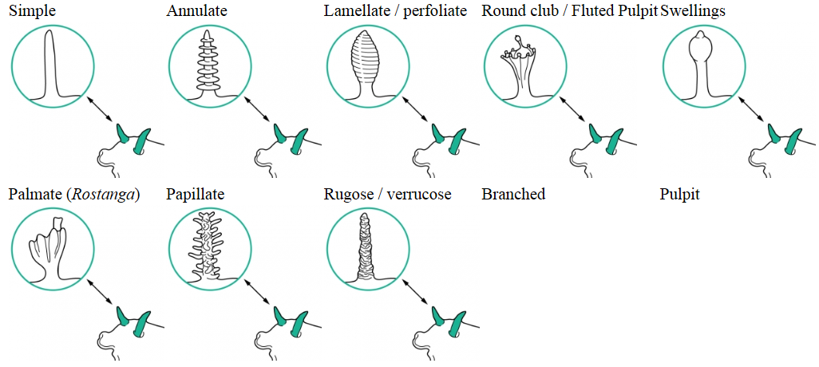
 |  | Tuberculate cerata
 |  | Knob-shaped cerata
 |  | Curved cerata
 |  | Sail-like cerata
 |  | Paddle-shaped cerata
 |  | Lanceolate cerata
 |  | Shell, Cerata - Conical, lined
 |  | Tiny cillia
 |  | Raised mantle
 |  | Raised mantle, medial ridge and 2 cerata behind gills
 |  | 2 Extrabranchial appendages and 2 extrarhinophoral appendages
 |  | Longitudinal and circular tuberculate Ridges
 |  | Longitudinal grooves
 |  | Shell
 |  | Short/Postules
 |  | Folded mantle skirt

